Sheet1
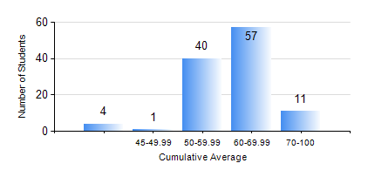
 |  |  | KWAME NKRUMAH UNIVERSITY OF SCIENCE AND TECHNOLOGY, KUMASI Department of Materials Engineering

 |  |  | BSC. METALLURGICAL ENG.

 |  |  | COMPREHENSIVE RECORD OF EXAMINATION RESULTS

 |  |  | RESULTS OF YEAR 4 SECOND SEMESTER, 2022/2023 ACADEMIC YEAR

 | Sn | Course Code |  | Course Name | Credit Hours | Min. Mark | Max. Mark | Avg. Mark | Std. Dev. | No. Passed | No. Trailed | No. (Df) | No. (I) | No. (I*) | No. Tagged(I,I*,Df) | Total
 | 1. | ME 492 |  | MANAGEMENT AND ENTREPRENEURSHIP DEVELOPMENT | 2 | 40 | 79 | 58 | 6.65 | 113 | 0 | 0 | 0 | 0 | 0 | 113
 | 2. | METE 452 |  | ELECTROMETALLURGY | 3 | 40 | 85 | 64 | 8.53 | 113 | 0 | 0 | 0 | 0 | 0 | 113
 | 3. | METE 454 |  | METALLURGICAL WASTE MANAGEMENT | 3 | 43 | 88 | 65 | 9.01 | 113 | 0 | 0 | 0 | 0 | 0 | 113
 | 4. | METE 498 |  | FINAL YEAR PROJECT-THESIS PHASE | 4 | 60 | 89 | 75 | 6.58 | 113 | 0 | 0 | 0 | 0 | 0 | 113
 | 5. | MSE 456 |  | MATERIALS QUALITY CONTROL, ASSURRANCE AND SELECTION | 3 | 40 | 81 | 59 | 10.31 | 113 | 0 | 0 | 0 | 0 | 0 | 113
 | 6. | MSE 458 |  | PROCESS DYNANICS AND CONTROL | 4 | 35 | 87 | 58 | 9.06 | 112 | 1 | 0 | 0 | 0 | 0 | 113

